UI of 1. Account
Account | display a list of logged in accounts
 | → account name
 | → account number and server
 | at the lower row
 | → number of positions
 | → appraised gain/loss
 | → balance
 | → the menu item changes to "*" by being clicked on
 | arbitrary information can be hidden |  |  | "+" mark for adding account at the right upper corner | select MT4 or MT5
 | → log out (delete) if swiped |  |  | "change language" at the left upper corner | login
 | → switching button on/off of automatic trading (need validation) |  |  |  | → search servers
 | → "..." mark |  |  |  | → input account numebr and password
 | → settle all positions |  |  |  | → save password
 | → cancel |  |  |  | → sign in
 |  |  |  | "+" mark for adding account at the right upper corner
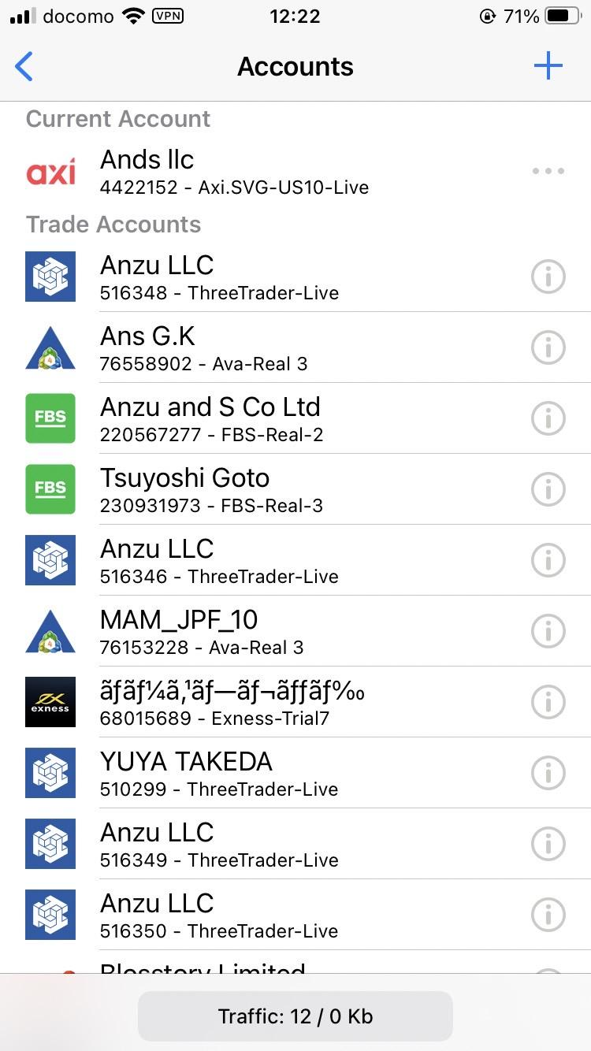
 |  |  |  | ↓
change to languages setting mark→ |  | account name, account number, server, numer of positions, appraised gain/loss, balance |  | MT4 MT5 |  | select MT4 or MT5

 |  | e.g. Ans G.K 76558902 Ava-Real 3 6 P ＋56,458 JPY 1,000,000 JPY

 |  | arbitrary information can be hidden by clicking on each item, as shown below
 |  | ↓
 |  | e.g. *** 76558902 Ava-Real 3 6 P *** ***

 |  | Foldering function
 |  | 1. Users can create folders with any name
 |  | 2. Accounts can be assigned to each folder
 |  | ↓
 |  | Create a folder mark to the left of the + mark in the upper right corner
 |  | Press it to create a new folder.
 |  | reorder accounts & move them to folders by long-pressing each account.
 |  | Each folder and account are displayed in the same place,
 |  | and the order can be moved at the user's discretion.

 |  |  |  |  | ↓
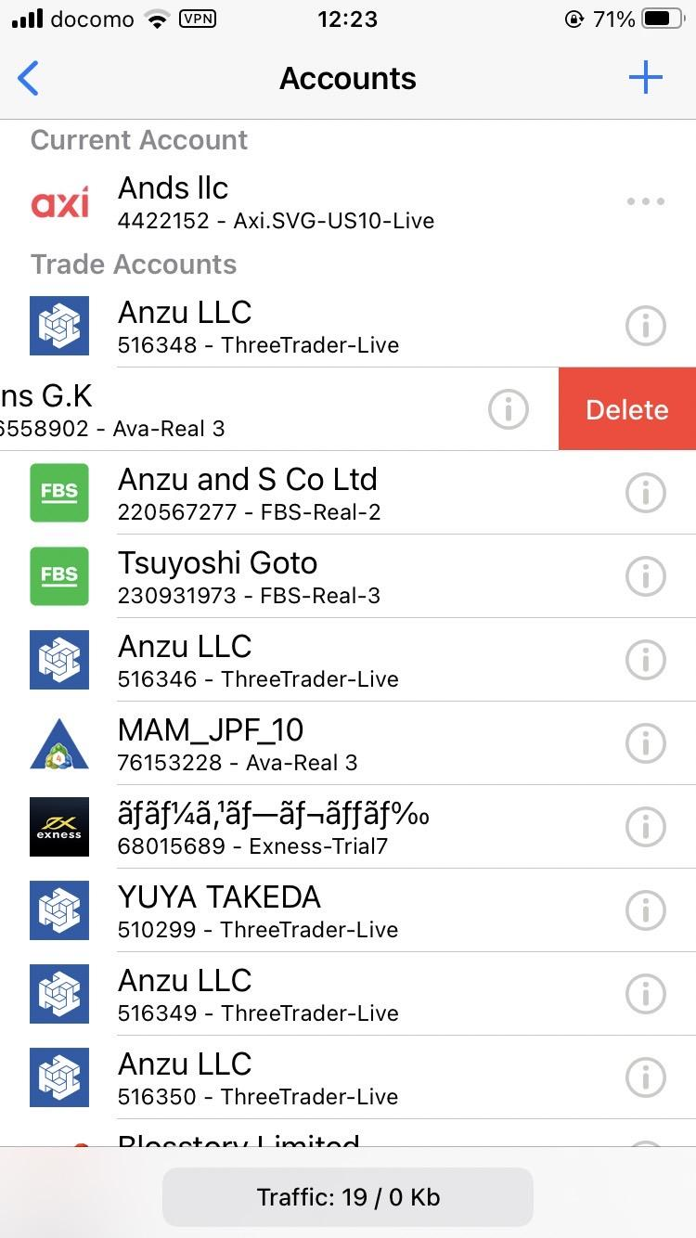
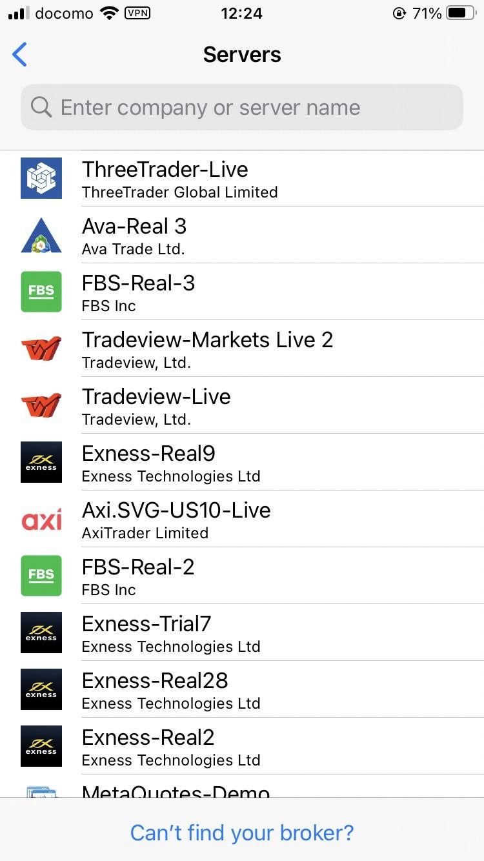
 |  |  |  |  |  | search servers

 |  | delete by swiping it

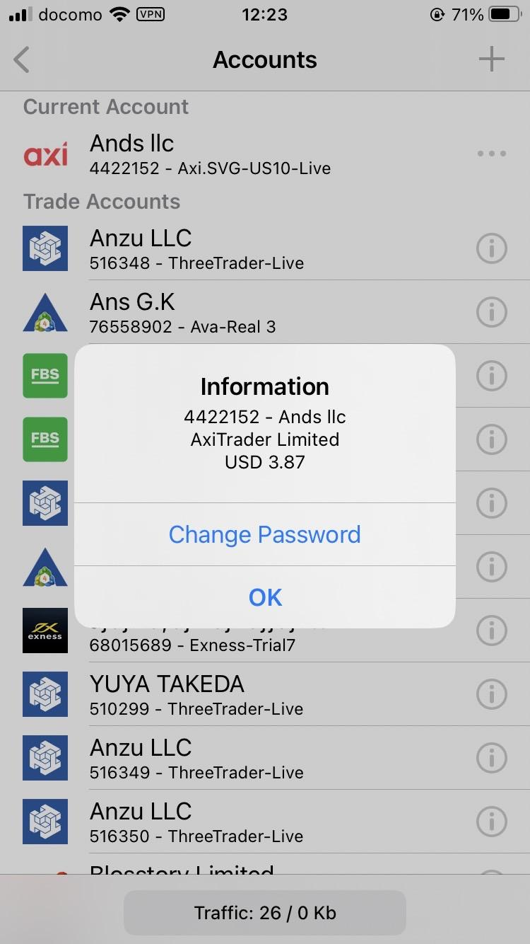

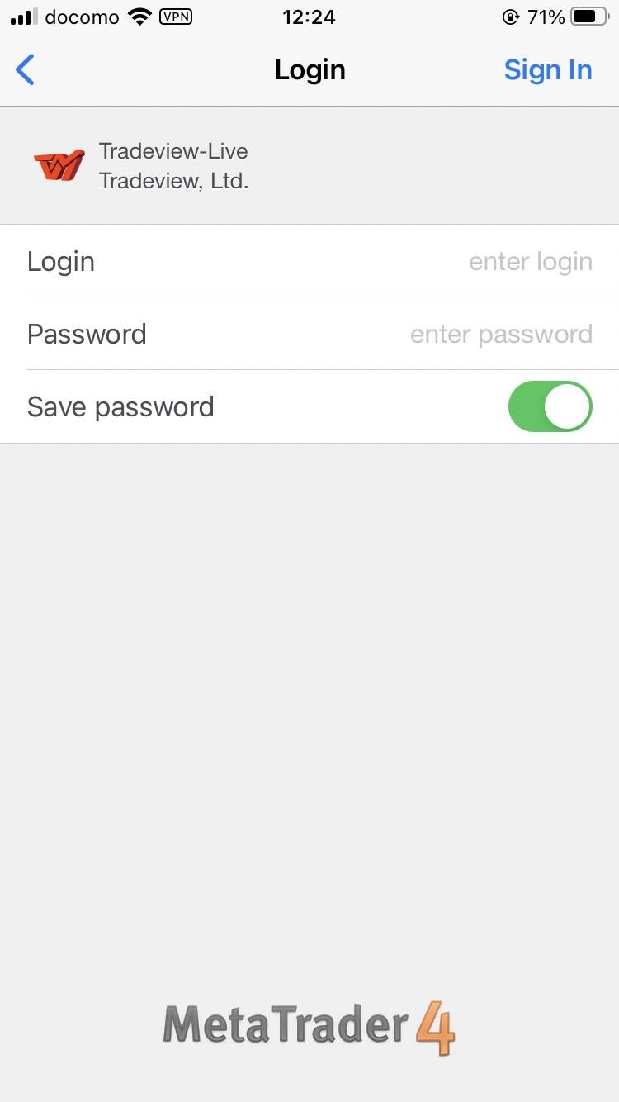
 |  | ← change "i" to "..."
 |  | display screen on the left when the user clicked on it |  |  | ↓
 |  | items are changed to the following
 |  | settle all positions | →"Do you want to settle the selected positions?" →"Yes" or "No" |  |  | login
 |  | cancel

UI of 2. Trading
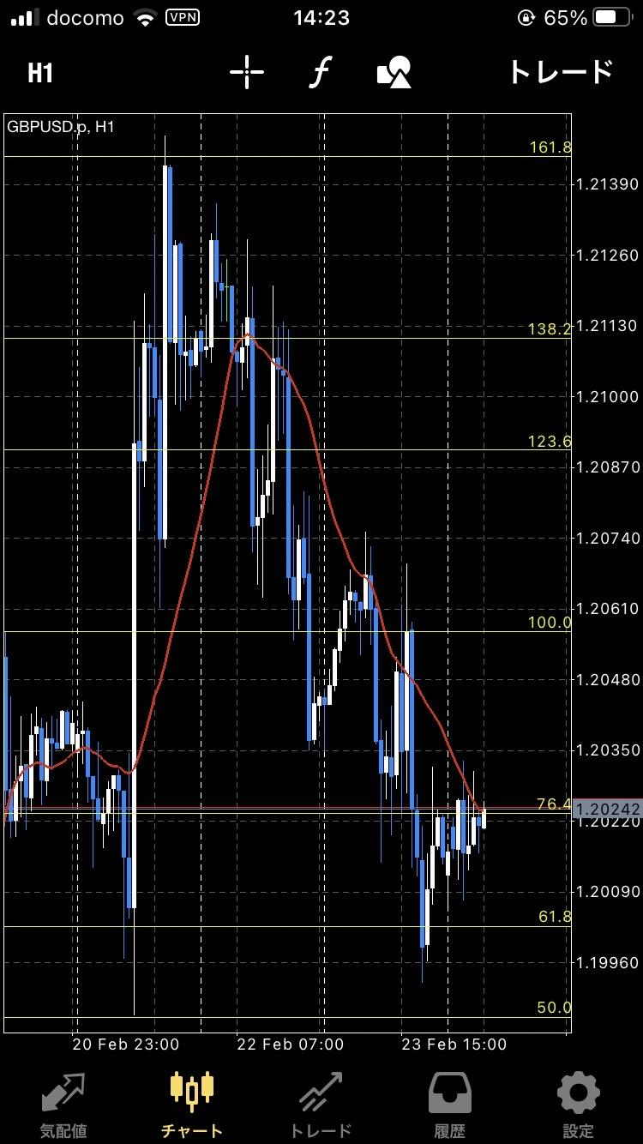
Trading | display candlestick chart
 | → appear cross cursor by clicking the screen
 | → switch between single chart and
 | multi-chart by double clicking the screen
 | → zoom in/out by piching
 | → select holding positions by clicking them
 | → modify and settle SL and TP by long clicking |  |  |  | extend this menu
 | → move the selected positions |  |  | icons | to:
 | → move SL and TP |  |  | timeframes | M1, M5, M15, H1, H4, D, W, MN
 | → modify TP if directing right |  |  | add chart | max 8
 | → modify SL if directing left |  |  | insert | indicators, experts
 | → select objects by clicking them |  |  | button for switching automatic trading on/off
 | → move the selected objects |  |  | objects
 | → modify and delete properties by long clicking |  |  | fixed charts
 | → "modify" and "delete" |  |  | settle all
 | → change the currency pair by clicking the name of the current currency pair at the left upper corner |  |  | order
 | → "add" at the top
 | → scrollable vertically
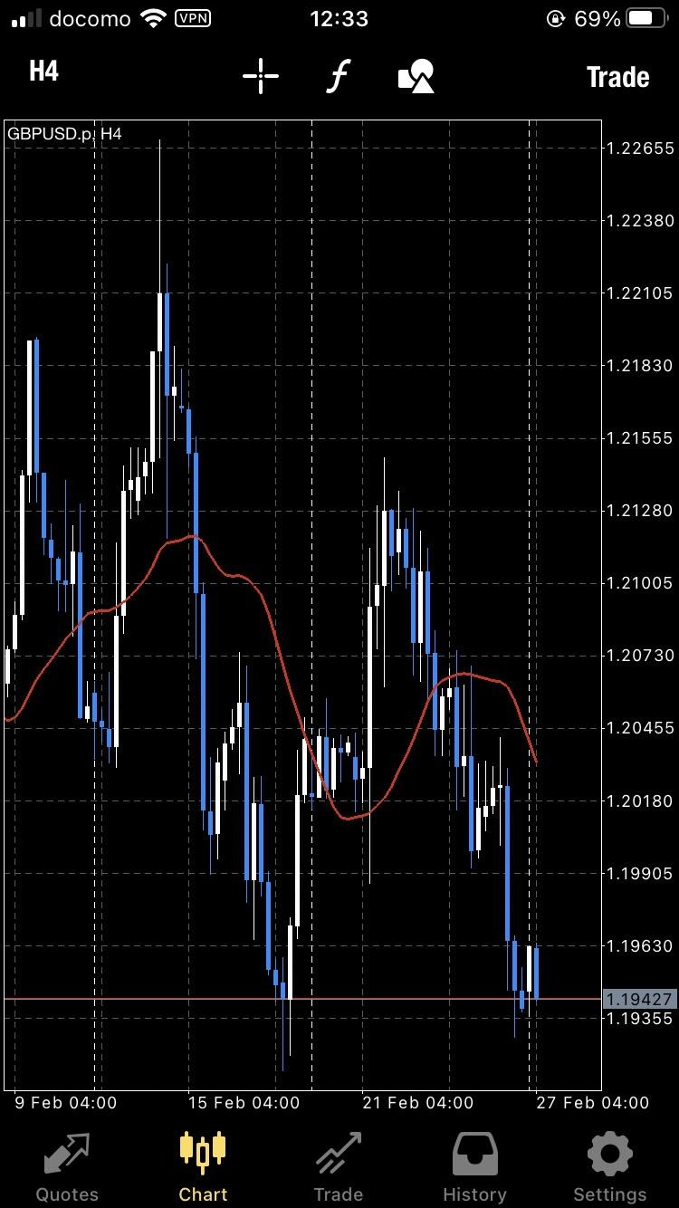
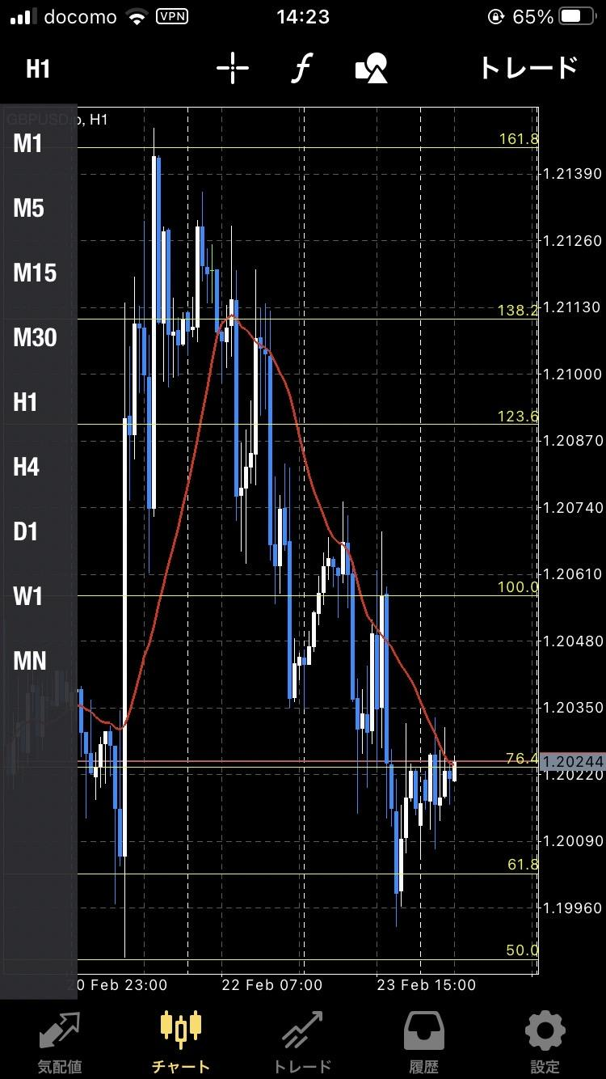
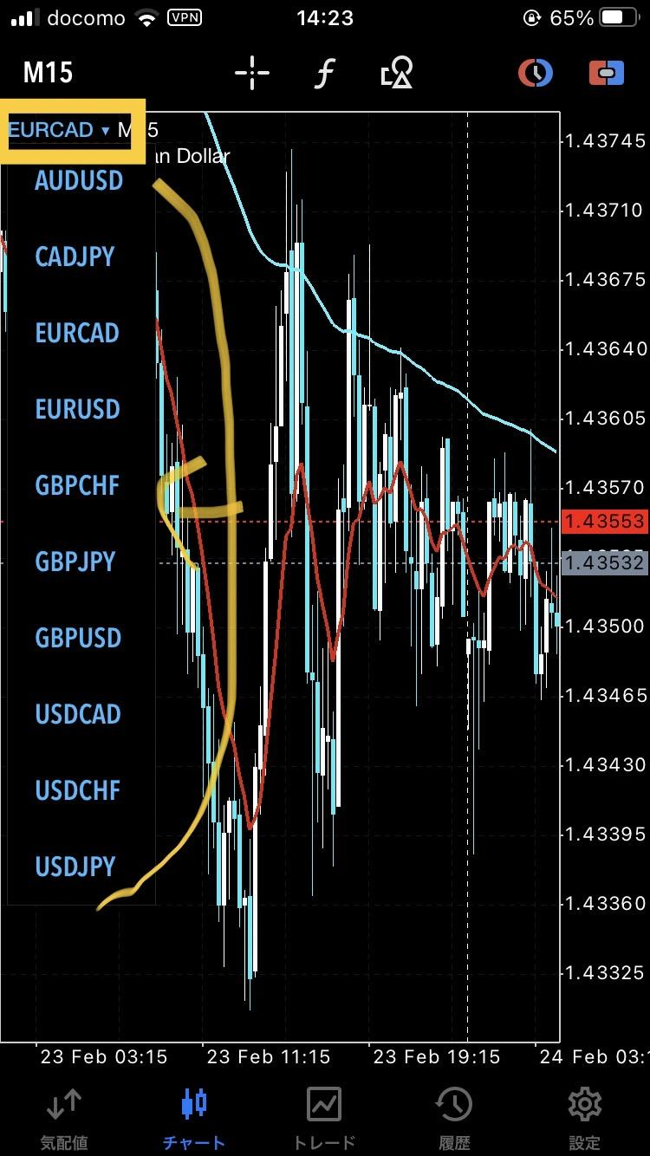
 |  | display candlestick chart |  | timeframes | M1, M5, M15, H1, H4, D, W, MN | change the currency pair by clicking the name of the current currency pair at the left upper corner, and show the options of pairs
 |  | → appear cross cursor by clicking the screen → switch between single chart and multi-chart by double clicking the screen

 | zoom out by piching ↓ | zoom in by piching ↓
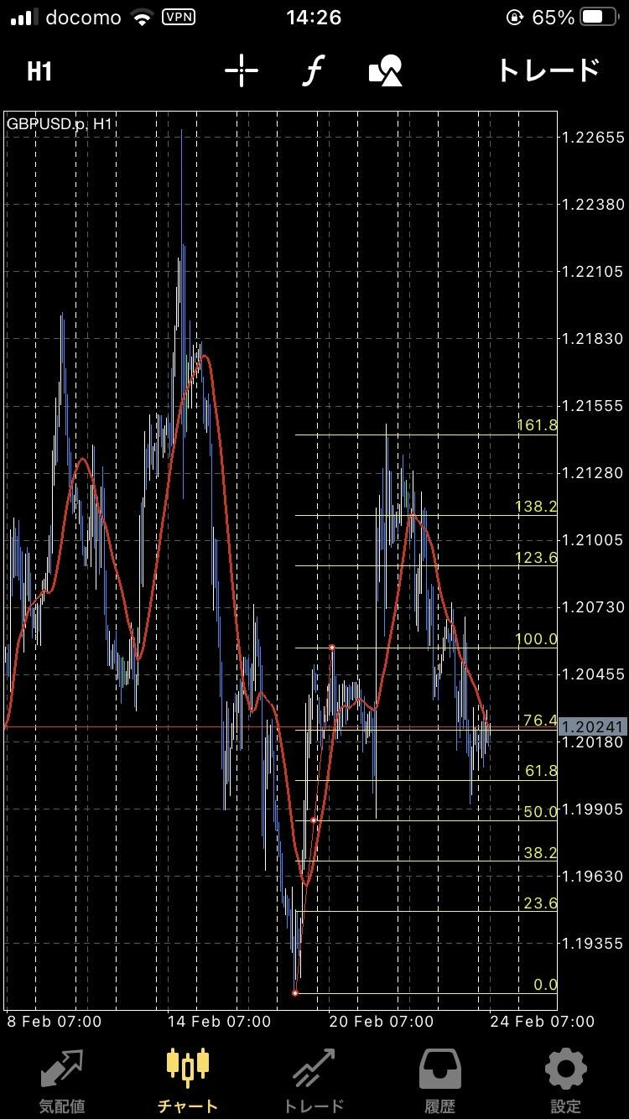
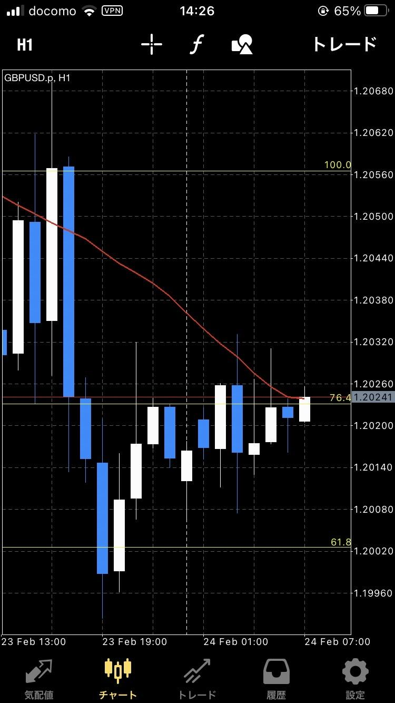

 |  |  |  | add chart | → currency pairs which have chart data are shown in a list → the chart of the selected currency pair is shown in the same timeframe as the timeframe of the currency shown before the selection
 |  |  |  | insert | → screen to select either Indicator or Expert → screen to select the which indicator or which EA to be included in the chart
 |  |  |  | button for switching automatic trading on/off | → do automatic trading only if on
 |  |  |  | objects | → add existing MT4 objects + arrow drawing (standard in MT5)
 |  |  |  | fixed charts | → display two items "save" and "apply" → save the setup of the current viewed chart by clicking on "save" → the user can select any one from the list of saved setups and the selected one is applied to the chart by clicking on "apply" → save/apply indicators, EA, chart zoom degree, colors of candlesticks, and other properties (objects are not copied)
 |  |  |  | settle all | → "Do you want to settle all positions?" → "Yes" or "No" → settle all positions by clicking on "Yes"
 |  |  |  | order | → an order panel are displayed at the top of the chart, as shown below in this case, the chart is not hidden at the top, but the scale is reduced and crushed from the top, and the chart remains the entire display

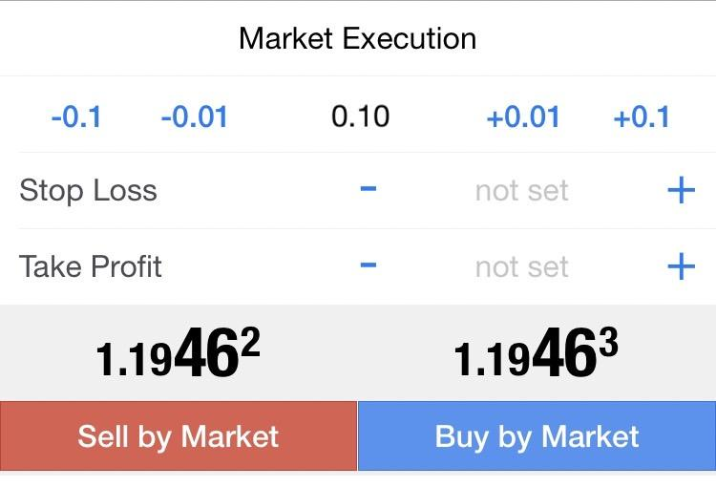
 |  |  |  |  |  | four types of orders are appeared by clicking on "Market Execution", as shown below
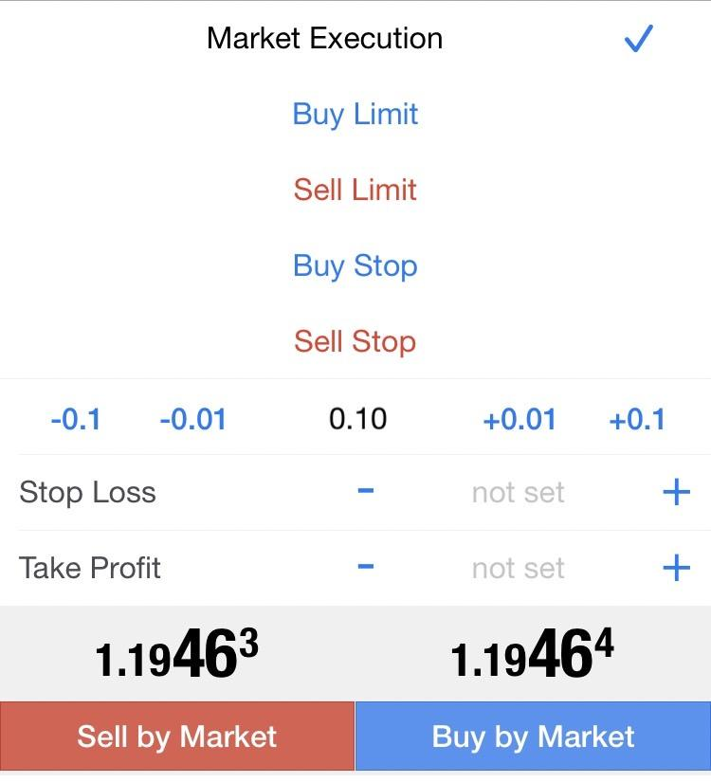

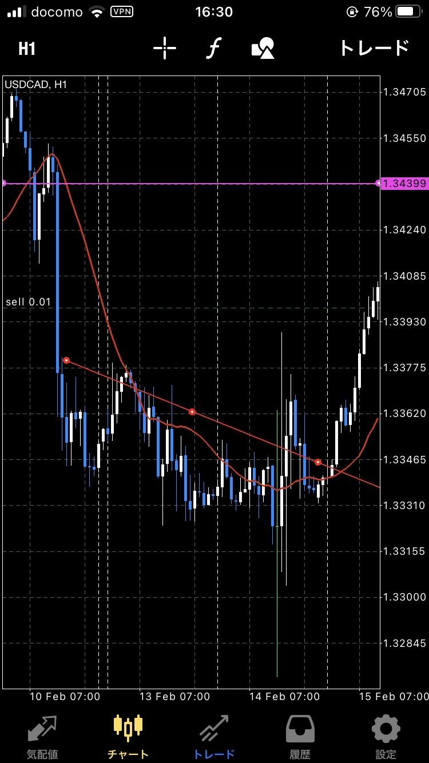

 |  | selected state by clicking on the position
 |  | → by pulling up and down in the selected state, SL and TP levels can be pulled and set

 |  |  | select objects by clicking on
 |  |  | → move the selected objects by moving the point

UI of 3. Psitions
Psitions | switching the tab between holding positions and history positions | two tabs at the top |  | → history positions | → profit/loss
 | → active positions | balance |  | → day, week, month, custom | → credits
 | → positions surrounded by thick frame | credit |  | → "chart" by long clicking on a position | → deposits
 | → "positions" followed by "settle all" to the right | equity |  | → go to the location of the chart for the position | → withdrawals
 | → checkbox at the left | free margin |  | → show the detail by clicking the position | → balance
 | → select multiple by dragging | margin |  | → export button at the right upper corner
 | → if there is at least one selected item, | margin level |  | → export the account histroy in a specific format
 | change "settle all" to "settle selected" | number of positions |  | → deposits/withdrawals date and monthly total profit/loss, etc.
 | →pop up for confirmation after clicking settle button
 | "Do you want to settle the selected positions?"
 | → "yes" and "no"
 | → "modify" and "settle" by swiping a position

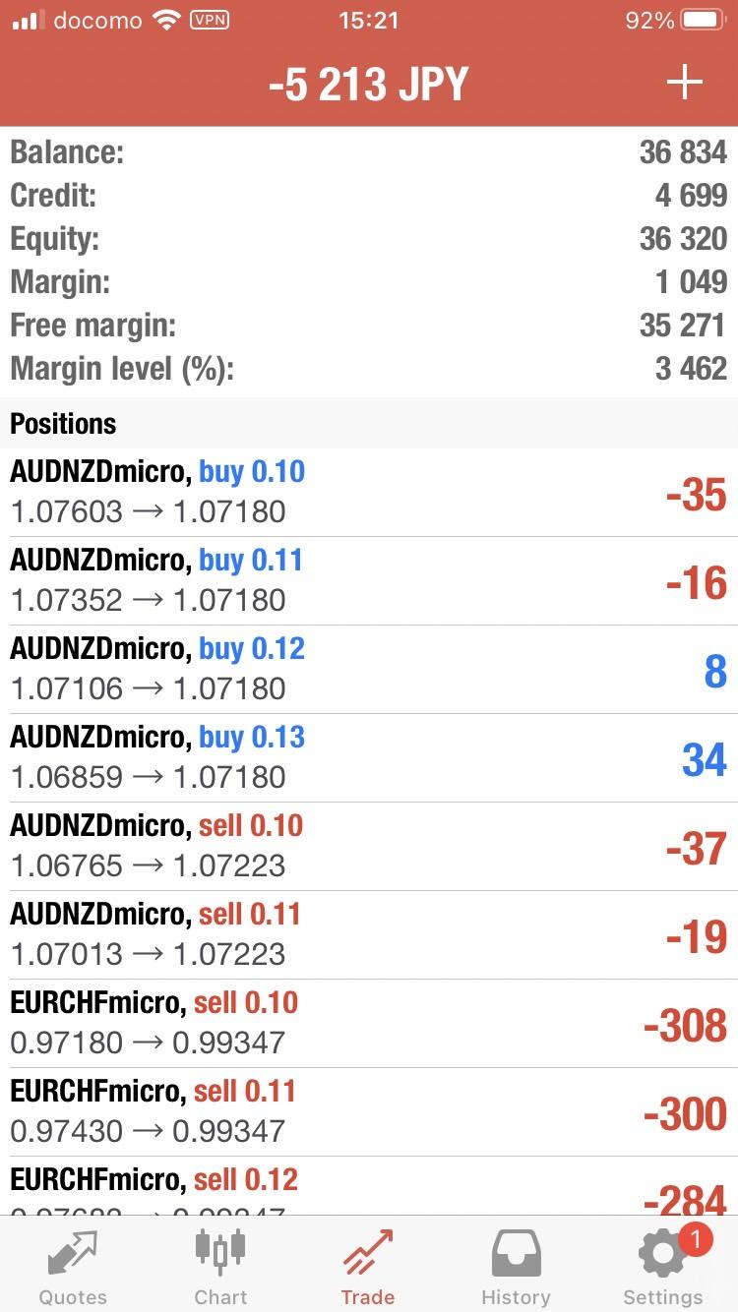
 | active positions |  |  | history positions
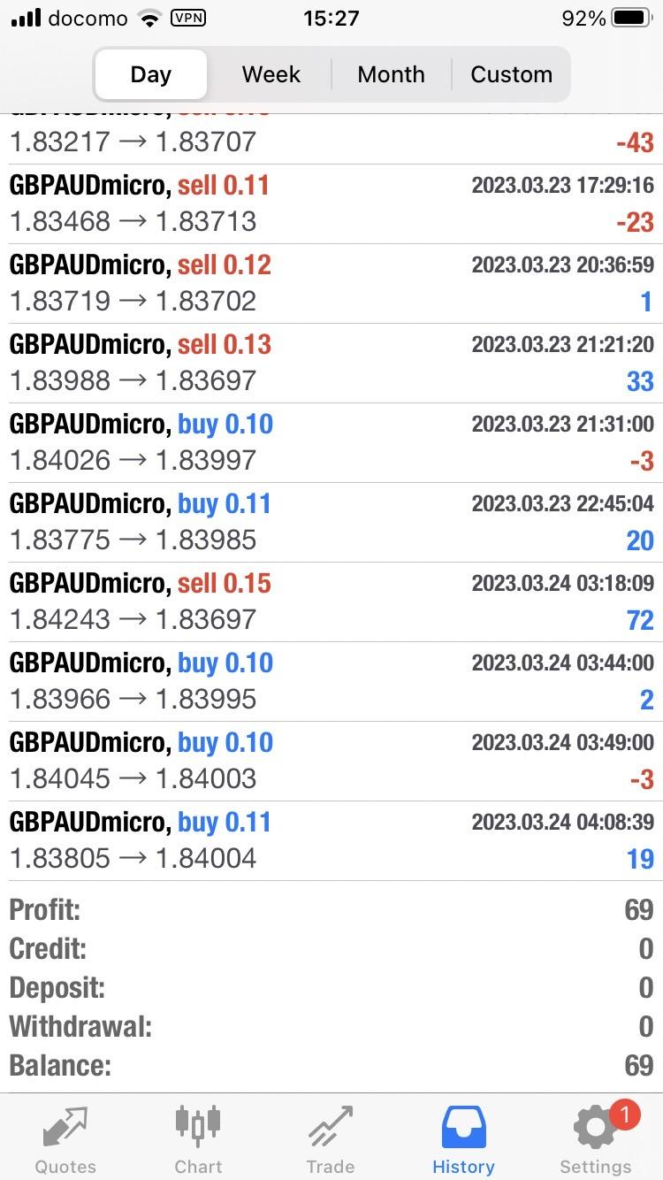
active
history
 |  | two tabs at the top (active / history) |  |  | ← day, week, month, custom
balance | → | ←
credit | →
equity | → |  |  |  | ←Long press on a position → popup "Chart" and "Cancel".
free margin | → |  |  |  | If press "Chart", go to the chart of the position.
margin | →
settle ALL
margin level | → |  |  |  | show the detail by single tapping the position
number of positions | → | positions surrounded by thick frame |  |  | ↓ Accordion type open/close
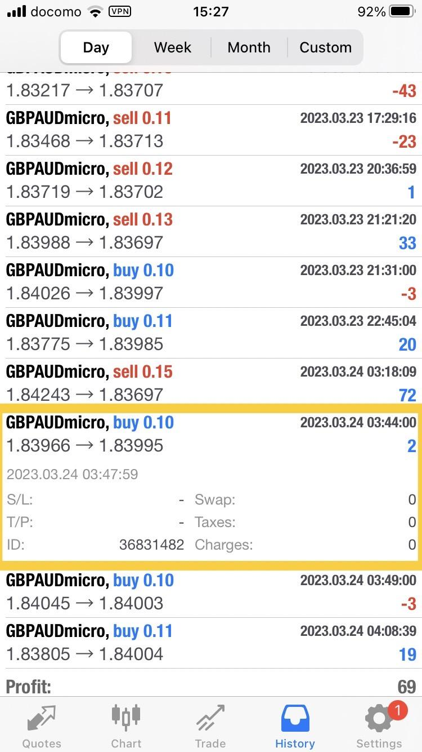
 |  | →A little thicker than this.
 |  | → "positions" followed by "settle ALL" to the right as button

 |  | checkbox at the left
 |  | → select multiple by dragging or tap the checkbox of any position
 |  | → if there is at least one selected item,
 |  | change "settle ALL" to "settle selected"
 |  | ↓
 |  | pop up for confirmation after clicking settle button
 |  | "Do you want to settle the selected positions?"
 |  | → "yes" or "no"
 |  |  | profit/loss | →
 |  |  | credits | →
 |  | ←"modify" and "settle" by swiping a position | deposits | →
 |  | →If "settle" is clicked, a popup with "Yes" and "No" choices | withdrawals | →
 |  | →If modify is clicked, go to the chart screen | balance | →
 |  | ↓ and display the modify panel at the top of the chart

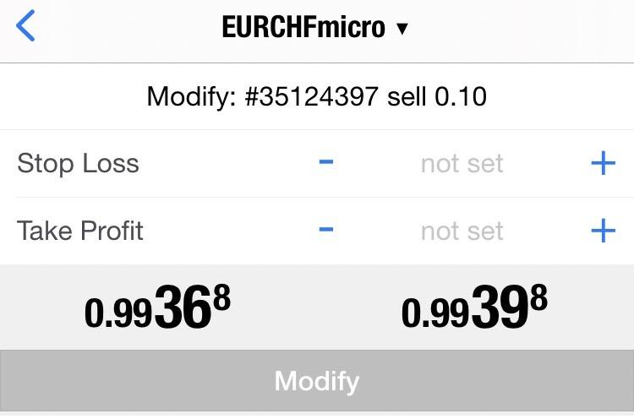

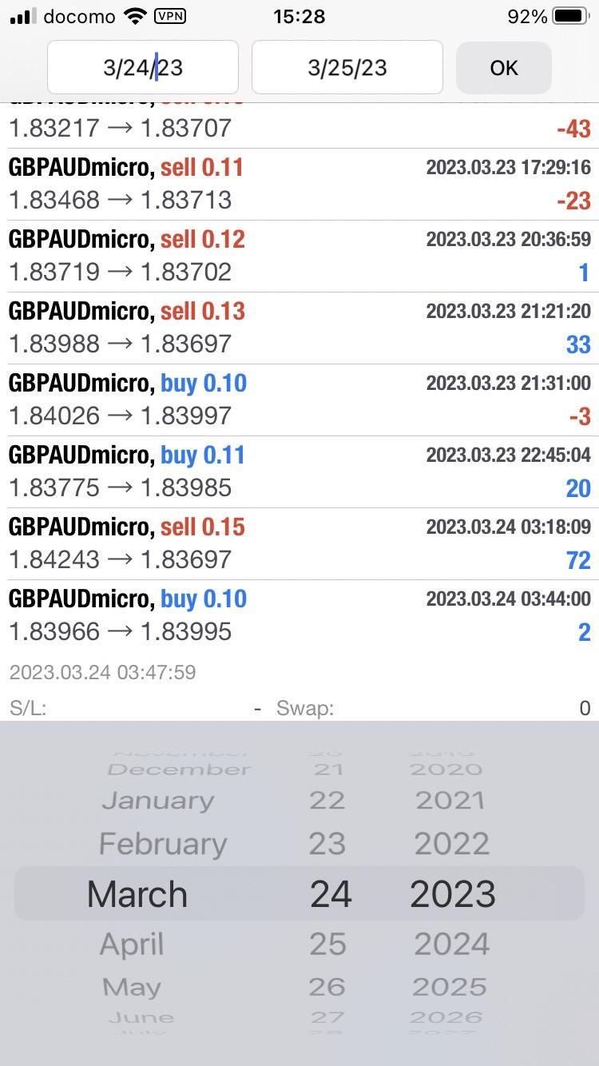

 |  |  |  |  | ←Pressing Custom at the top allows the user to select the period of time to display the history in a calendar format.

 |  |  |  |  | With a custom time period specified:
 |  |  |  |  | export button at the right upper corner（CSV or text）
 |  |  |  |  | → export the account histroy in a specific format
 |  |  |  |  | → deposits/withdrawals date and monthly total profit/loss, etc.

UI of 4. Signal
Signal | signalling subscription with the logged in to account |  | → go to the detail page by clicking on each signal |  | signal registratipn
 | → "registration" at the right upper corner and go to the signal registration scene |  | → connect to the registrant's account and display information |  | → register for account
 | → choose MT4 or MT5 |  | → broker name, account currency and leverage |  | → input login information
 | → three menu with filter, sort and search |  | → balance： |  | → collect information if successful
 | → list in order of overall profits by default |  | → holding profit/loss： |  | → input details if completed
 | → display icon, signal name, growth graph, |  | → total profit/loss： |  | → icon setting
 | first trade date, average montly profit, |  | → growth rate： |  | → signal name
 | number of subscribers, and monthly fee |  | → average monthly profit： |  | → trading strategy
 | → "next" for every 100 items |  | → deposits： |  | → loss strategy
 |  |  | → withdrawals： |  | → subscription fee
 |  |  | → change items by sliding |  | all are required
 |  |  | → account details (previous seciton) |  | → display registered information
 |  |  | → display profit/loss graph and montly interest graph
 |  |  | → trading strategy
 |  |  | → loss strategy |  | monthly subscription fee
 |  |  | → other strategies provided by traders |  | receiver | provider
 |  |  | → "subscribe" at the bottom of the screen always |  | charge on the website in advance | accumulate points in the app
 |  |  |  |  | automatically deduct points in every month | → possible to withdraw
 |  |  |  |  | → automatic cancellation when settlement is failed | → with 10% commission

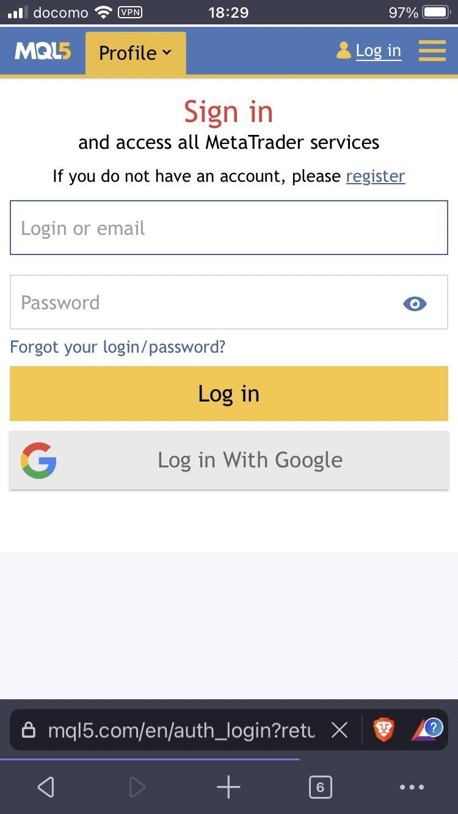

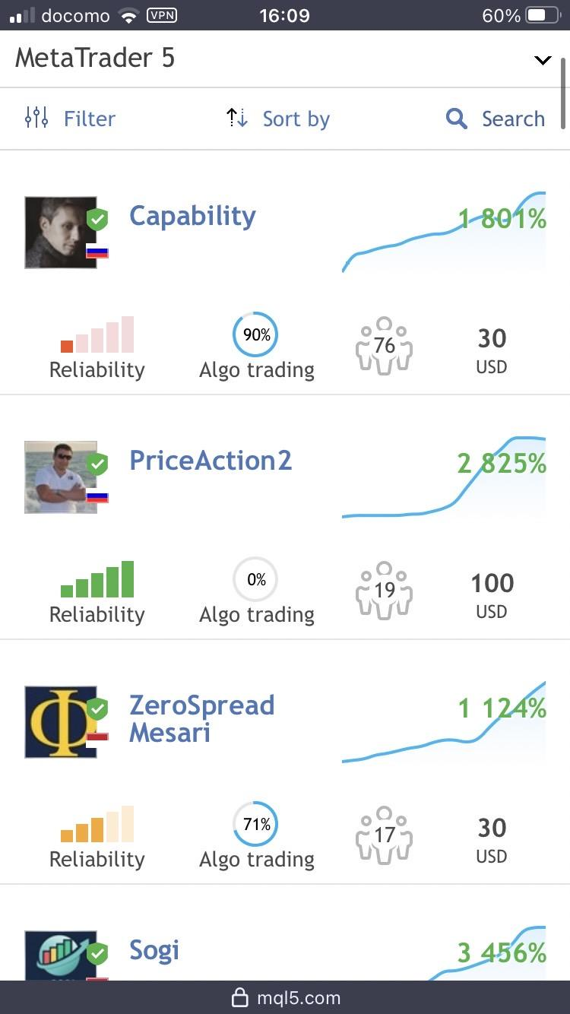
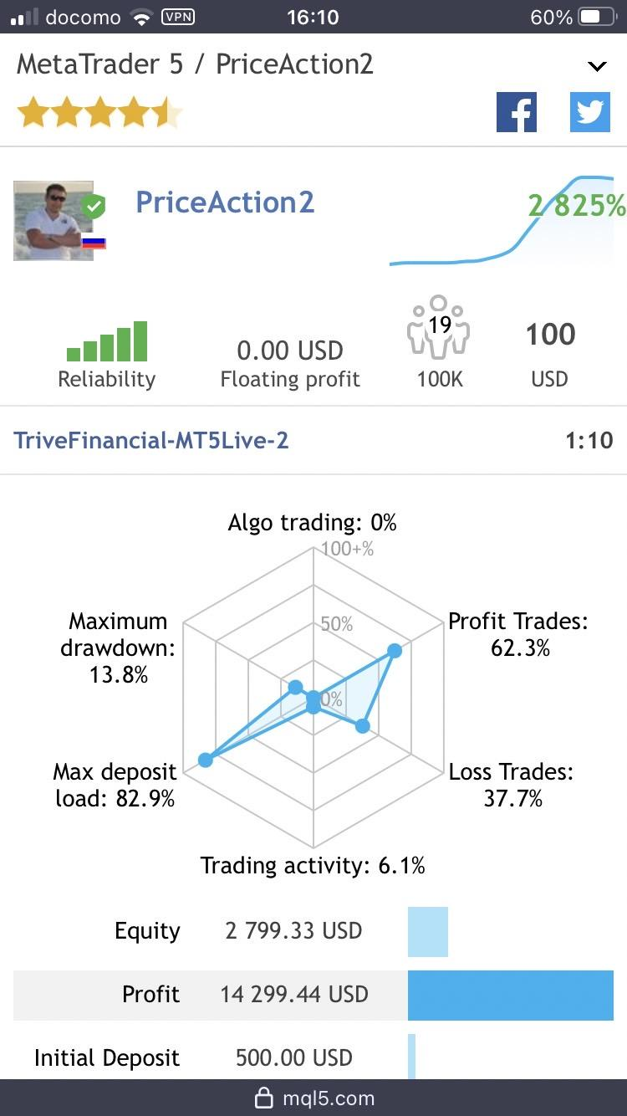
 | choose MT4 or MT5 → | ←"registration" at the right upper corner and go to the signal registration scene

 |  | ← three menu with filter, sort and search
 |  |  |  | connect to the registrant's account and display many information
 |  | ←list in order of overall profits by default |  |  |  | account create or log in
 |  |  |  | Display the items as they were displayed in the list written on the left. |  | for signal provider
 |  | display icon, signal name, growth graph, （First line.） |  | display icon, signal name, growth graph, （First line.）
 |  | first trade date, average montly profit, （Second line.） |  | first trade date, average montly profit, （Second line.）
 |  | number of subscribers, and monthly fee（Second line too.） |  | number of subscribers, and monthly fee（Second line too.）

 |  | ← go to the detail page by clicking on each signal →

 |  |  |  | unnecessary

 |  |  |  |  |  | ↓

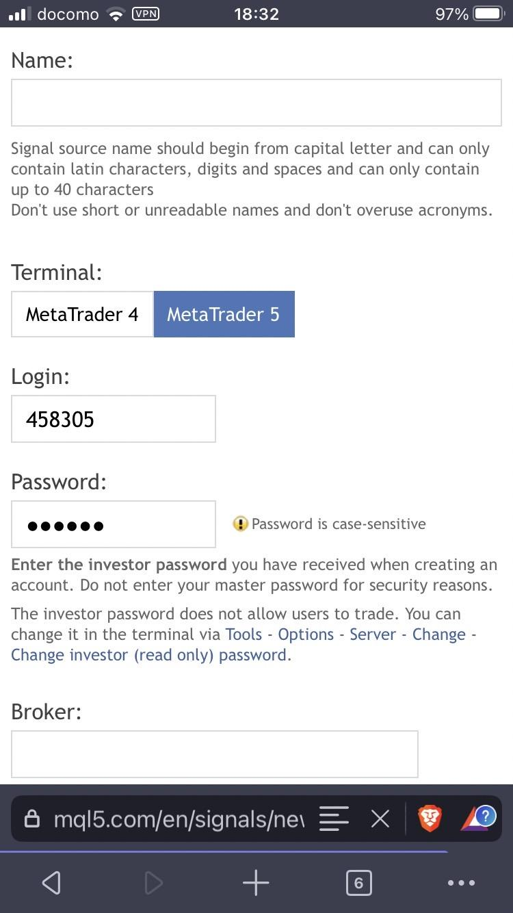
 |  | → "next" for every 100 items

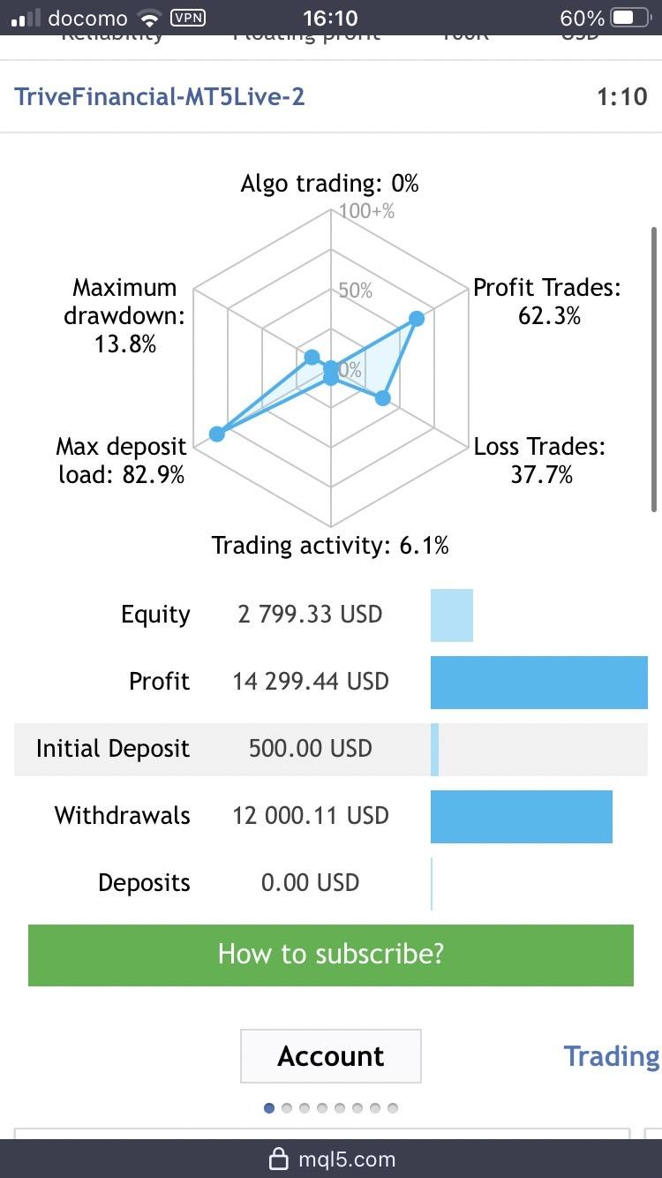

 |  |  |  |  |  | ←add icon setting under Name

 |  |  |  | → broker name, account currency and leverage
 |  |  |  | → balance：
 |  |  |  | → holding profit/loss：
 |  |  |  | → total profit/loss：
 |  |  |  | → growth rate：
 |  |  |  | → average monthly profit：
 |  |  |  | → deposits：
 |  |  |  | → withdrawals：
 |  | "How to subscribe" → "subscribe" | →
 |  | "subscribe" at the bottom of the screen always |  | change items by sliding(tab)
 |  |  |  | → account details (avobe seciton) |  | ↓
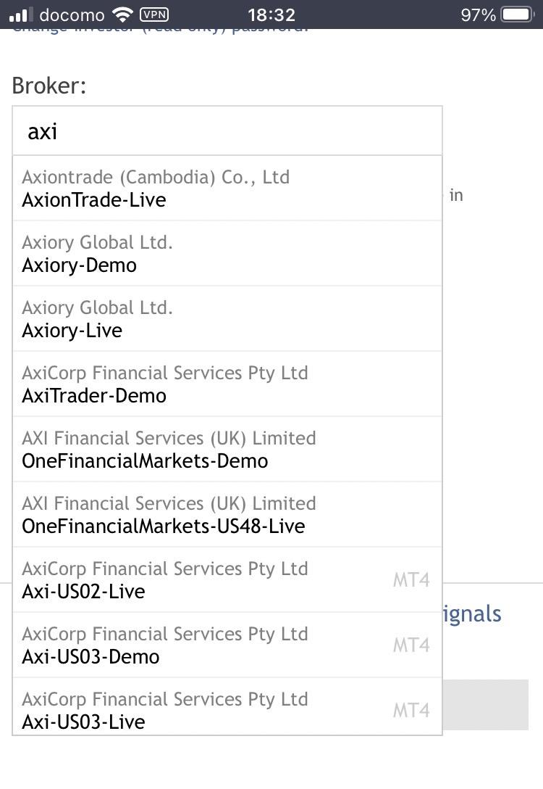
 |  |  |  | → display profit/loss graph and montly interest graph
 |  |  |  | → trading strategy
 |  |  |  | → loss strategy
 |  |  |  | → other strategies provided by traders |  | When start typing in the Broker section,
 |  |  |  |  |  | get a list of candidates if applicable.

 |  |  |  |  |  | ↓ continue

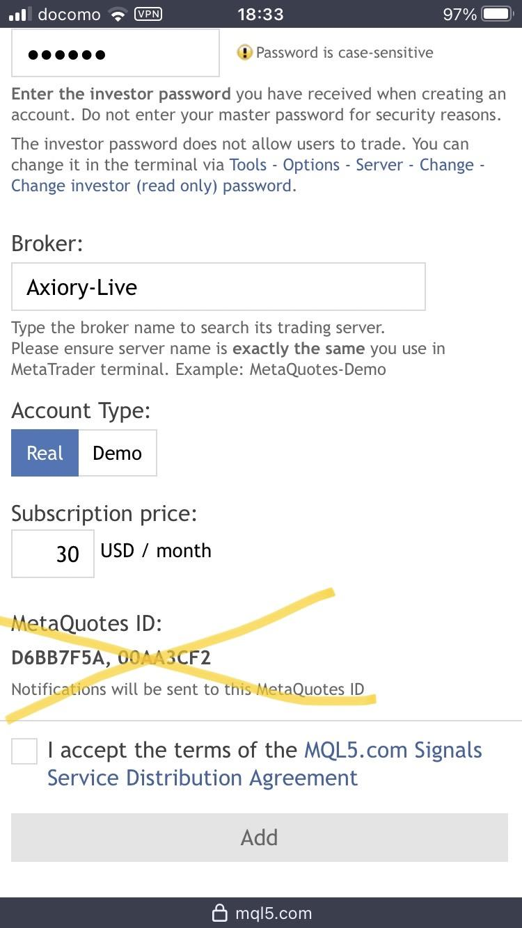

 |  |  |  |  |  | ← Continue with the following items
 |  |  |  |  |  | ・trading strategy（big text area）
 |  |  |  |  |  | ・loss strategy（big text area）

